Introduction
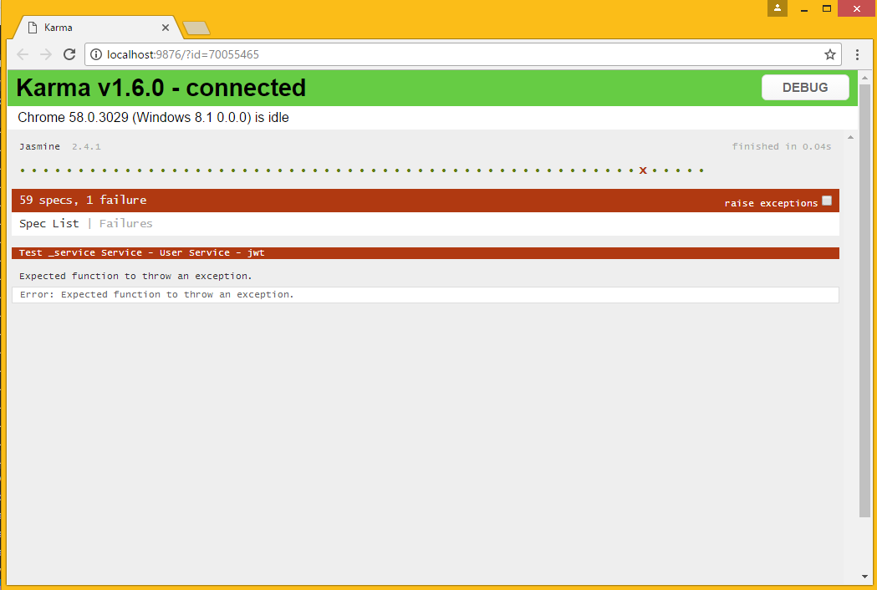
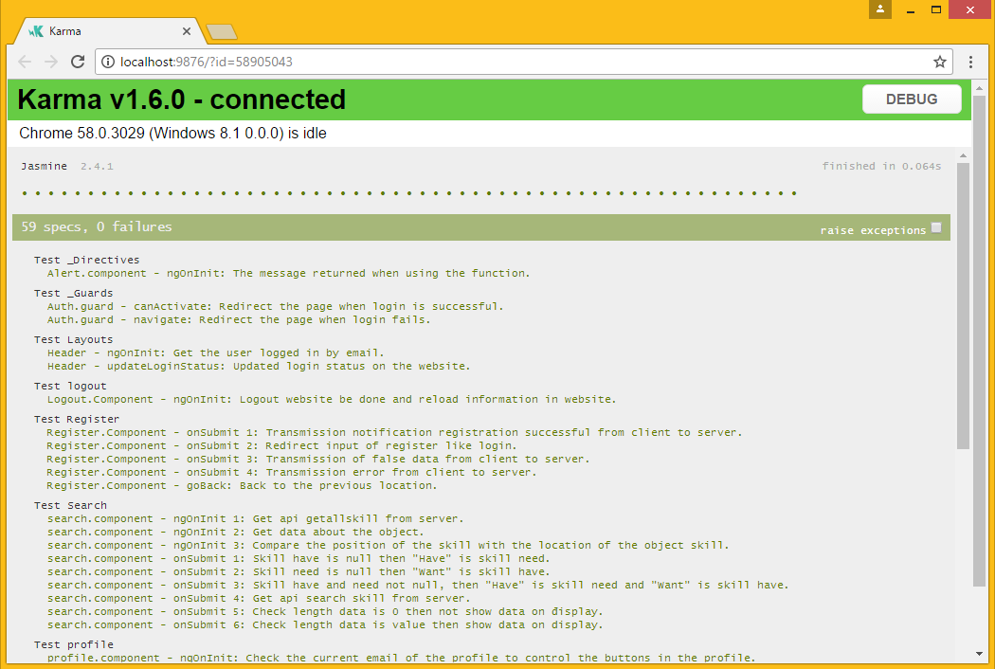
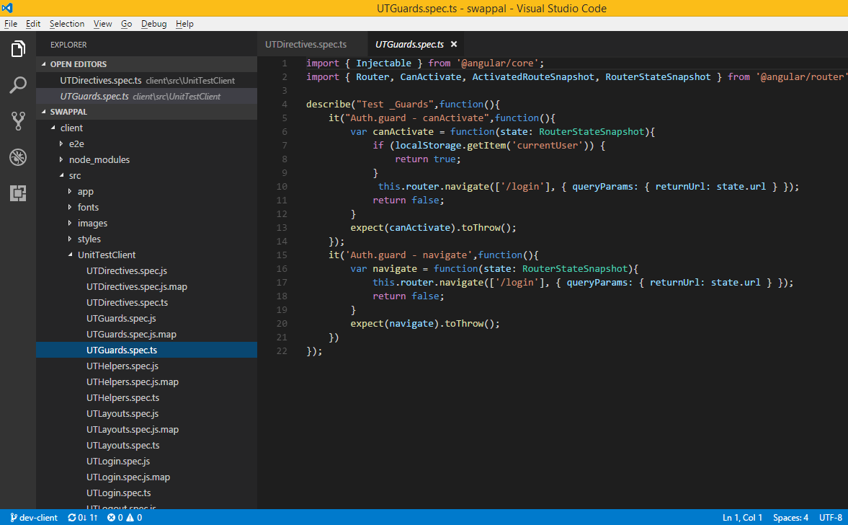
 |  |  | REPORT UNIT TEST
Date: | 2017-05-08
Author: | TaiNguyen
Date update | 5/26/2017
Version | v1.1

 | Rule name file | UT + name folder test.spec.ts
 | Rule name testcase | Name file test - jaw test

Summary
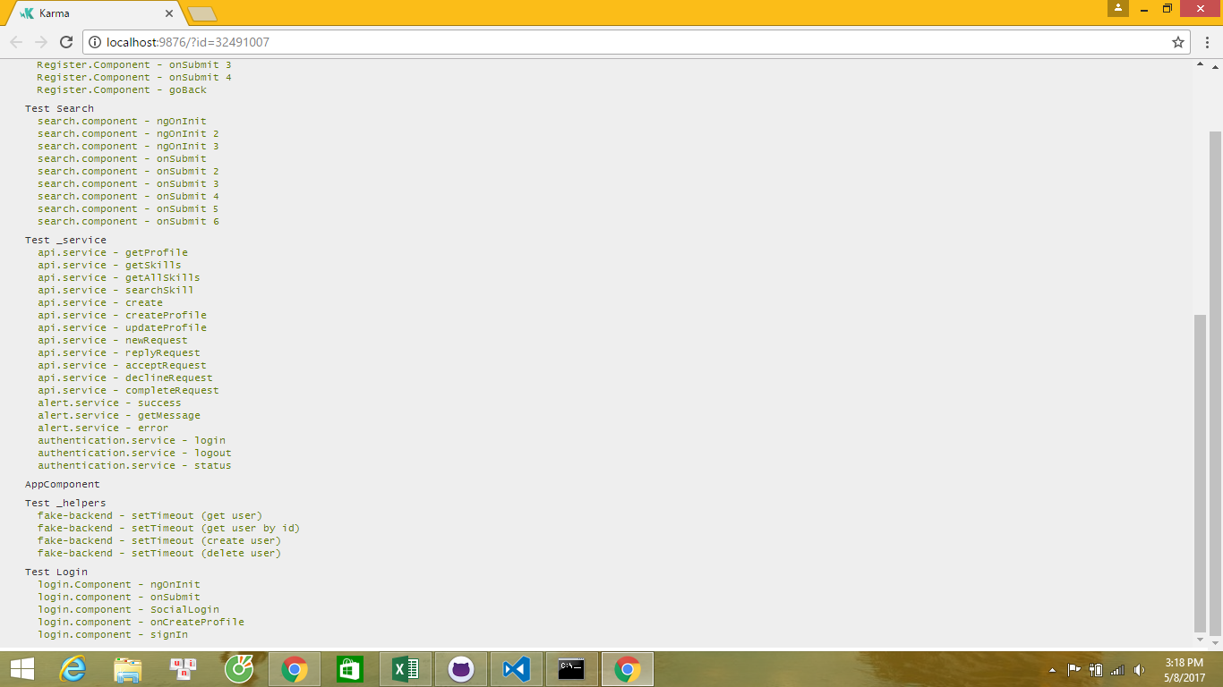
 |  |  |  | SUMMARY

USER Summary test case
_Directives | 1 | 0
_Guards | 2 | 1
Layouts | 2 | 0
Logout | 1 | 0
Profile | 12 | 10
Register | 5 | 2
Search | 9 | 4
_Service | 18 | 19
_Helpers | 4 | 1
Login | 5 | 1
USER

Number | Name Folder | Testcase Pass V2 | TestCase Fail V2
1 | _Directives | 1 | 0
2 | _Guards | 2 | 1
3 | Layouts | 2 | 0
4 | Logout | 1 | 0
5 | Profile | 12 | 10
6 | Register | 5 | 2
7 | Search | 9 | 4
8 | _Service | 18 | 19
9 | _Helpers | 4 | 1
10 | Login | 5 | 1
Total : |  | 59 | 38

ADMIN Summary test case
_Directives | 1 | 0
_Services | 13 | 8
Skill | 12 | 12
ADMIN

Number | Name Folder | Testcase Pass V2 | TestCase Fail V2
1 | _Directives | 1 | 0
2 | _Services | 13 | 8
3 | Skill | 12 | 12
Total : |  | 26 | 20

